Six Cities 1-32
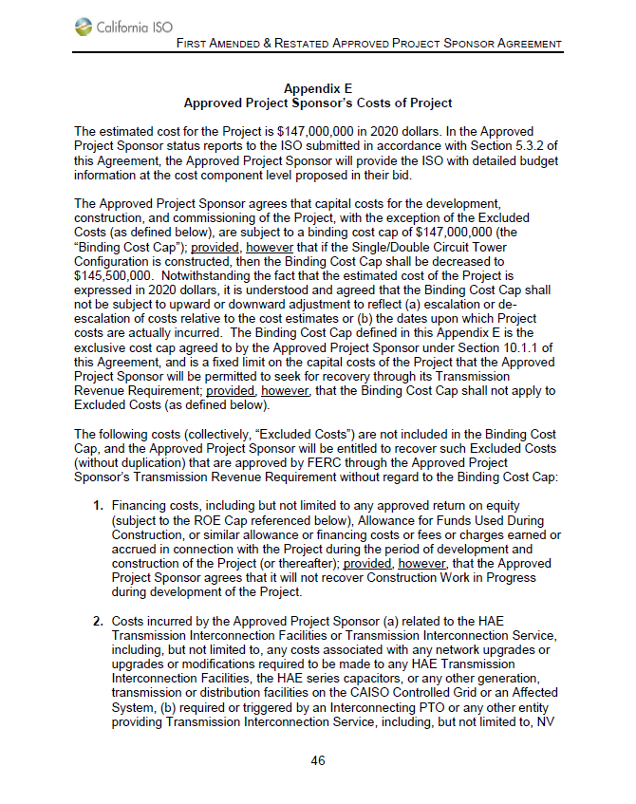
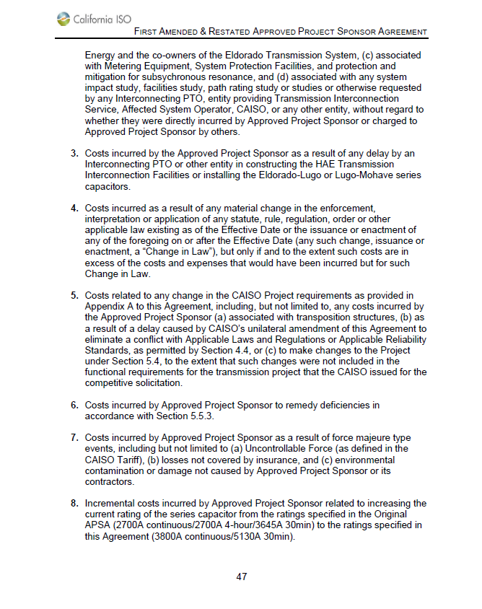
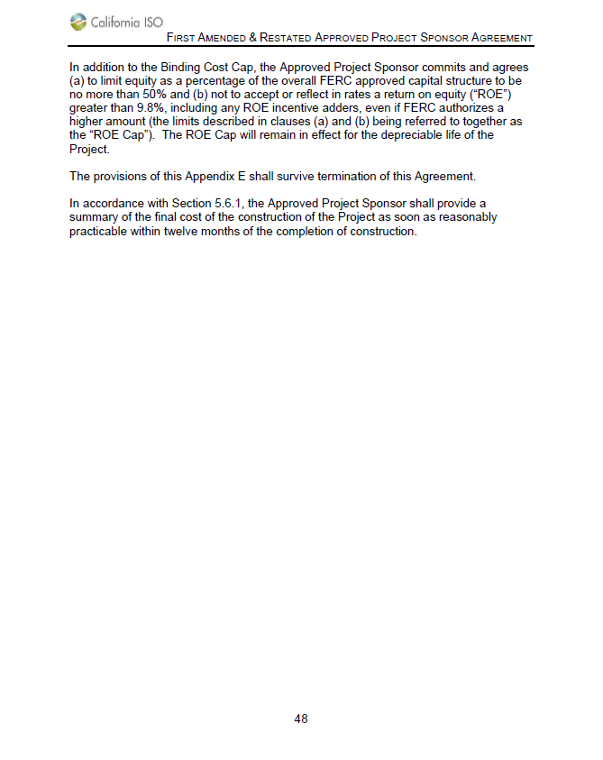
DesertLink, LLC
2020 Annual Update/2022 Projection
Six Cities 1-32
December 30, 2021

Excluded Costs per Appendix E of the Approved Project Sponsor Agreement

Category 1 - Costs Related to Financing
AFUDC | $17,374,635

Category 2 - Costs Related to Interconnection
Interconnection-related costs | $36,052,465

Category 5 - Costs Related to Changes in CAISO Requirements
Transposition structures | $389,922
Series capacitor rating | 3,947,599
 | $4,337,521

Total Excluded Costs | $57,764,621

